Medical Center
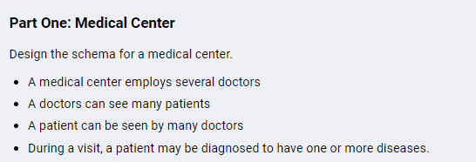

patients |  |  |  |  | doctor
id | name | insurance | patient's info | … | id | name | medical_center_id | doctor's info | …

diseases
id | name | description | visited_id
 | fever |  | 1
 | fever |  | 2

visited |  |  |  |  | medical center
id | paitents_id | doctor_id | note | date | id | name | info

Soccer League
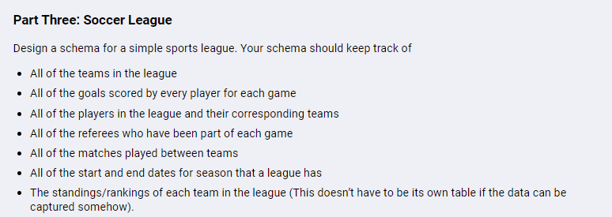

team |  |  |  | player |  |  |  |  |  | referee |  | season
id | name | ranking | team's info | id | name | team_id | player's info | … |  | id | name | id | start date | end date

goal_scored |  |  |  | match_game
id | player_id | match_game_id | score | id | team1_id | team2_id | seasion_id | date | …

match_game_referee
id | match_game_id | referee_id

